Hoja 1
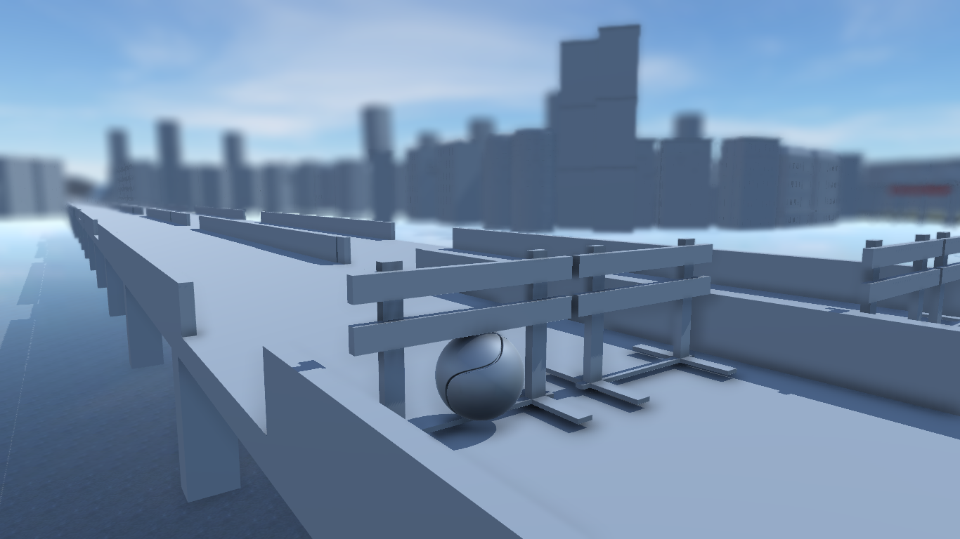
Problem Title | Description | Screenshot (optional)
Ball direction | Its difficult for the player to know in wich direction is the ball spining
Close corners | Some close corners (Forest Corner) the enviorment can block the view of the player
Checkpoints | When the ball respawns it is very confusing for the player to go to the correct direction
Bridge fences | When the ball try to go through them it gets stuck

Construction side fence | Fences is the construction side have no collision ???? Com que no?
Absence of color and textures | The absence of color in the game makes difficult to differentiate what is what in the game, where is the road and what are some obstacles, an example would be the “dunes” that appear, i can not decide if those are water or some other kind of terrain.
Wrong way | In the first jump, the road that follows should be inaccessible backwards, if the player goes that way he ends up in a closed end.
Useles fences | The fences in the construction area are nearly useless, they do not prevent the player to go off map, as the ones after the cows do.
Plain background | In the area of the houses to the left and trees on the right, some other objects such as benches or lamps could add a nice touch to the landscape.
Turn direction | Some fences situated in closed turns could use some kind of direction indication for the player to follow the road.
Design misplacement? | The church in the area of the previous observation is misplaced, the player is turning right in that curve so the church is never shown in camera, if it’s done this way then it’s all good, if not, the church needs to be replaced somewhere where it could be appreciated by the player.
Add variety in the buildings | The buildings in the city area have the same height, there are some variations but we need to break the pattern more and add more variations to their height, this is done perfectly in some parts of the city.

